Wireframes
ADVISOR DASHBOARD
Advisor Name |  |  |  |  |  | Prioritize Customer Meetings
Client List | $ MM | Country of Domicile | Risk Profile |  |  | Date | Client Name | Contact Person | Contact Number | Reason
client name, order by Investment Size | 100.25 | United States | Aggressive |  | option to provide ability to change the schedule | MM/DD/YYYY HH:MM:SS | client name, order by Investment Size | John Doe | +1 1234567890 | Free text | client portfolio | Portfolio Predictions
client name, order by Investment Size | 95.67 | United States | Passive |  |  | MM/DD/YYYY HH:MM:SS | client name, order by Investment Size | John Doe | +1 1234567890 | Free text | client portfolio | Portfolio Predictions
client name, order by Investment Size | 65.07 | United States | Retirement |  |  | MM/DD/YYYY HH:MM:SS | client name, order by Investment Size | John Doe | +1 1234567890 | Free text | client portfolio | Portfolio Predictions
client name, order by Investment Size | 25.98 | United States | Young Adult |  |  | MM/DD/YYYY HH:MM:SS | client name, order by Investment Size | John Doe | +1 1234567890 | Free text | client portfolio | Portfolio Predictions
 |  |  |  |  |  | MM/DD/YYYY HH:MM:SS | client name, order by Investment Size | John Doe | +1 1234567890 | Free text | client portfolio | Portfolio Predictions
Market Signals |  |  |  |  |  | MM/DD/YYYY HH:MM:SS | client name, order by Investment Size | John Doe | +1 1234567890 | Free text | client portfolio | Portfolio Predictions
Symbol | Security Desc | New Preview | Date Time |  |  | MM/DD/YYYY HH:MM:SS | client name, order by Investment Size | John Doe | +1 1234567890 | Free text | client portfolio | Portfolio Predictions
ALLY | Ally Financial Inc. | color code as per impacts NEGATIVE : RED NO IMPACT : AMBER POSISTIVE : GREEN | MM/DD/YYYY HH:MM:SS | Hyperlink (List of impacted clients in pop up based on holdings and impacts to client) |  | MM/DD/YYYY HH:MM:SS | client name, order by Investment Size | John Doe | +1 1234567890 | Free text | client portfolio | Portfolio Predictions
ARKK | ARK Innovation ETF |  | MM/DD/YYYY HH:MM:SS |  |  | MM/DD/YYYY HH:MM:SS | client name, order by Investment Size | John Doe | +1 1234567890 | Free text | client portfolio | Portfolio Predictions
BAM | Brookfield Asset Management Ltd. |  | MM/DD/YYYY HH:MM:SS
BLK | BlackRock, Inc. |  | MM/DD/YYYY HH:MM:SS |  |  | Top Fund Projection | 1 months | 3 months | 6 months | 1 year | 2 years | 3 years
BMY | Bristol-Myers Squibb Company |  | MM/DD/YYYY HH:MM:SS |  |  | Fund 1 | 10% | 12% | 14% | 20% | 30% | 40%
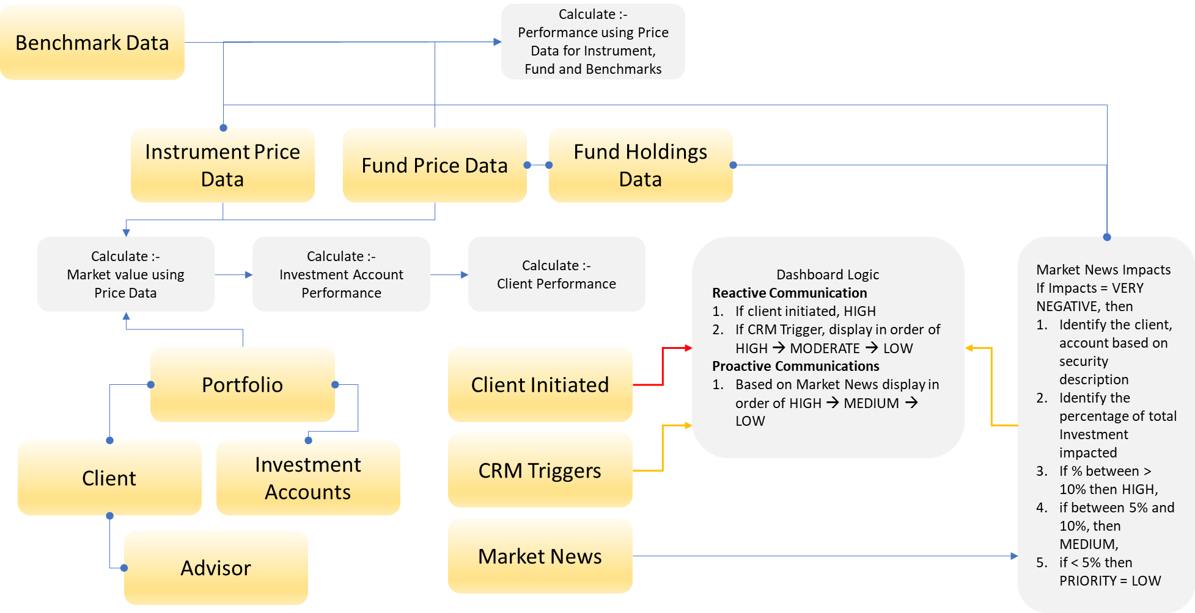
 |  |  |  |  |  | Fund 2 | 12% | 12% | 14% | 20% | 30% | 40%
Client Escalation |  |  |  |  |  | Fund 3 | 4% | 12% | 14% | 20% | 30% | 40%
Client Name | Escalation Y/N | Reason | Date |  |  | Fund 4 | 9% | 12% | 14% | 20% | 30% | 40%
name of the client | Y/N | Brief summary | Action By Date, order by earliest to latest |  |  | Fund 5 | 12% | 12% | 14% | 20% | 30% | 40%
 |  |  |  |  |  | Fund 6 | 8% | 12% | 14% | 20% | 30% | 40%
Priority based on Customer Interactions CRM |  |  |  |  |  | Fund 7 | 6% | 12% | 14% | 20% | 30% | 40%
Client Name | Escalation Y/N | Reason | Date |  |  | Fund 8 | 12% | 12% | 14% | 20% | 30% | 40%
name of the client | is this an escalation Y /N | Brief summary | Action By Date, order by earliest to latest |  |  | Fund 9 | 2% | 12% | 14% | 20% | 30% | 40%

CLIENT PORTFOLIO - MARKET SIGNAL IMPACTS
 |  |  |  |  |  |  |  | CLIENT PORTFOLIO
Client Name
Investment Account |  |  |  |  |  |  |  | Client Name
 | Existing Value | Projected Value | Up / Down Indicator | Percentage Impacted |  |  |  | Investment Account
Security Dec |  |  |  |  |  |  |  |  | Existing Value | Projected Value | Up / Down Indicator | Percentage Impacted
Fund Description |  |  |  |  |  |  |  | Security Dec 1
 |  |  |  |  |  |  |  | Security Dec 2
Total |  |  |  |  |  |  |  | Security Dec 3
 |  |  |  |  |  |  |  | Security Dec 4
 |  |  |  |  |  |  |  | Fund Desc 1
 |  |  |  |  |  |  |  | Fund Desc 2
 |  |  |  |  |  |  |  | Fund Desc 3
 |  |  |  |  |  |  |  | Total

ADVISOR MEETINGS PRIORITY CONFIGUARTION SETUP

 |  |  | Advisor Name

 |  |  | Priority 1 | This should be a dropdown of Value referred to as HIGH LEVEL CATEGOURY's Advisors should be able to select additional conditions using OR AND logic, numeric value to define threshold etc. for each Category above. Refer to the combinations of main category and sub category below ** System should allow selection only HL Category in the configuration screen e.g. if Priority 1 = Market Signal, the dropdown for Priority 2 should not displays "Market Signal" as the available value, and so on for the remining Priorities
 |  |  | Priority 2
 |  |  | Priority 3
 |  |  | Priority 4
 |  |  | Priority 5
 |  |  | Priority 6
 |  |  | Priority 7
 |  |  | Priority 8
 |  |  | Priority 9

 |  | Main Category | Sub Category
 | Should be able to create sub conditions using OR, AND, IF THEN ELSE logic for below | Market Signal | % Portfolio Impact (allow numeric input) e.g. > 5% | % Overall client Investment Impacts (allow numeric Input) e.g. > 3% | Industry Segment | Geography | Intensity (1-5), 1 = "Very High" and 5 = "No Impacts" e.g. if value configured as 3 then include 1, 2 and 3 as Priority | NOTE: if there are > 1 Market signal impacting the client, the logic should consider the consolidated impact when determining the threshold
 |  | Client Initiated Escalations | Severity (1-5), 1 = "Very High" and 5 = "No Impacts" e.g. if value configured as 3 then include 1, 2 and 3 as Priority | Escalation Type e.g. Investment Performance, product changes, service complain, service escalation, fees and charges, other concerns…
 |  | Customer Interactions | Method of initiations e.g. chat, phone, email, customer service, other channels
 |  | Review Related | Monthly, Quarterly, Semi Annual, Yearly, Roll over
 |  | Account Change request | Priority (1-5)
 |  | New Business Opportunity | Priority (1-5) | Volume of business e.g. > 1 MM etc.
 |  | Account Closure | Urgency(1-5) | Reason e.g. better services for competitor, better fees from comp, better location/geography, better performance, divestment
 |  | Redemptions Request | Priority (1-5)
 |  | Investment Advisory | Priority (1-5)

